Dev
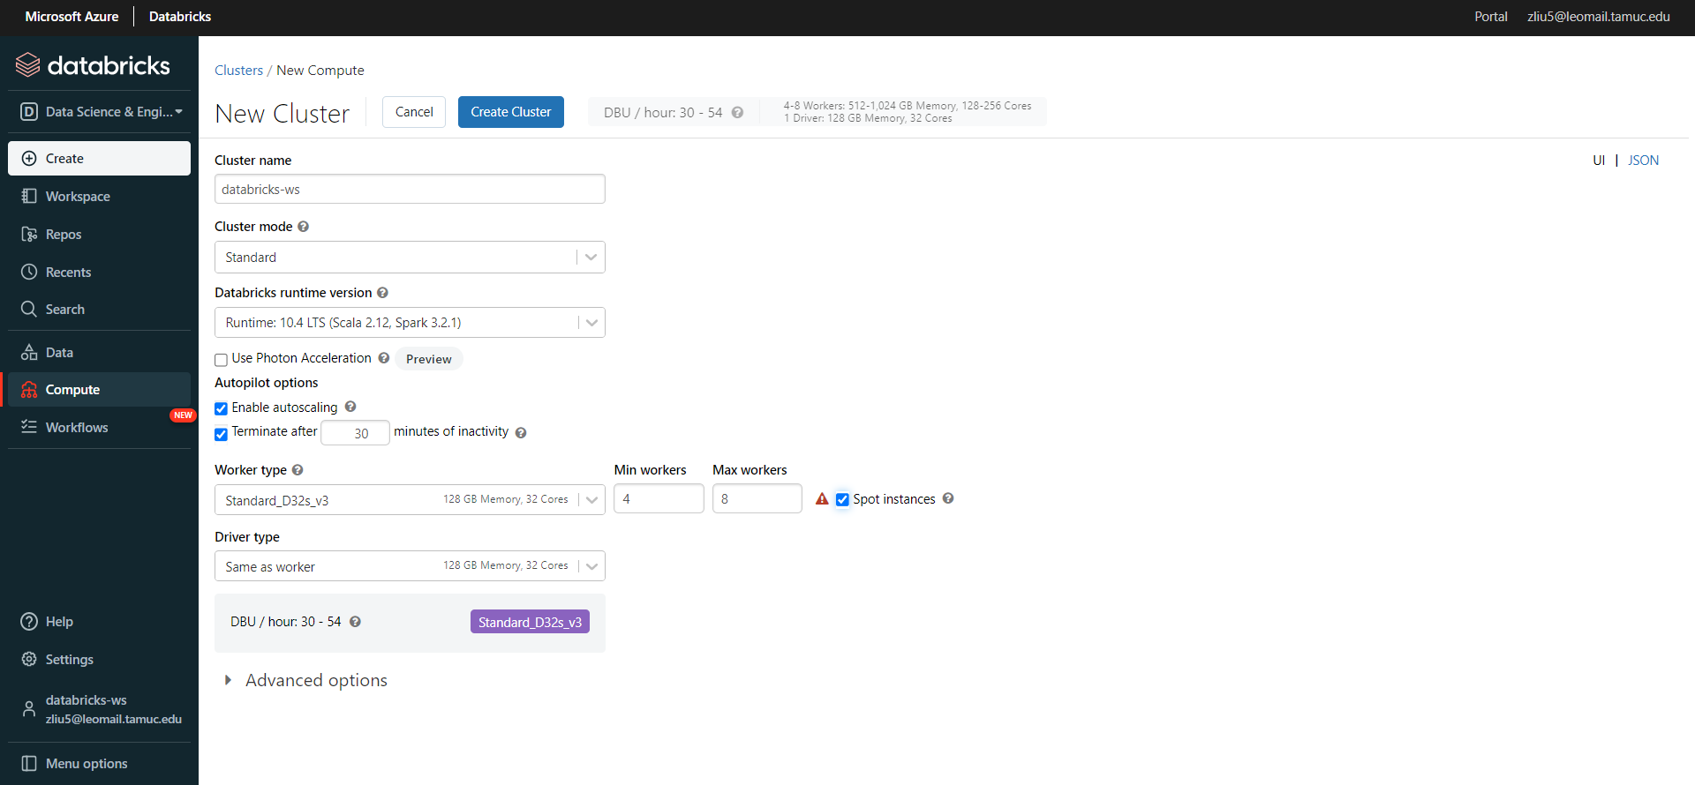
Dev Env Databricks DBU Estimation (minimum)
Cluster Mode | Standard
Databricks runtime version | 10.4 LTS (Scala 2.12, Spark 3.2.1)
Worker Type | General Purpose, Standard D8s_v3 32 GB Memory, 8 Cores
Min Workers | 4
Max Workers | 8
Driver Type | Same as worker, D8s_v3 32 GB Memory, 8 Cores
DBU / hour | 7.5 - 13.5


Dev Env Databricks DBU Estimation (Maximum)
Cluster Mode | Standard
Databricks runtime version | 10.4 LTS (Scala 2.12, Spark 3.2.1)
Worker Type | General Purpose, Standard D32s_v3 128 GB Memory, 32 Cores
Min Workers | 4
Max Workers | 8
Driver Type | Same as worker, Standard D32s_v3 128 GB Memory, 32 Cores
DBU / hour | 30 - 54

Prod
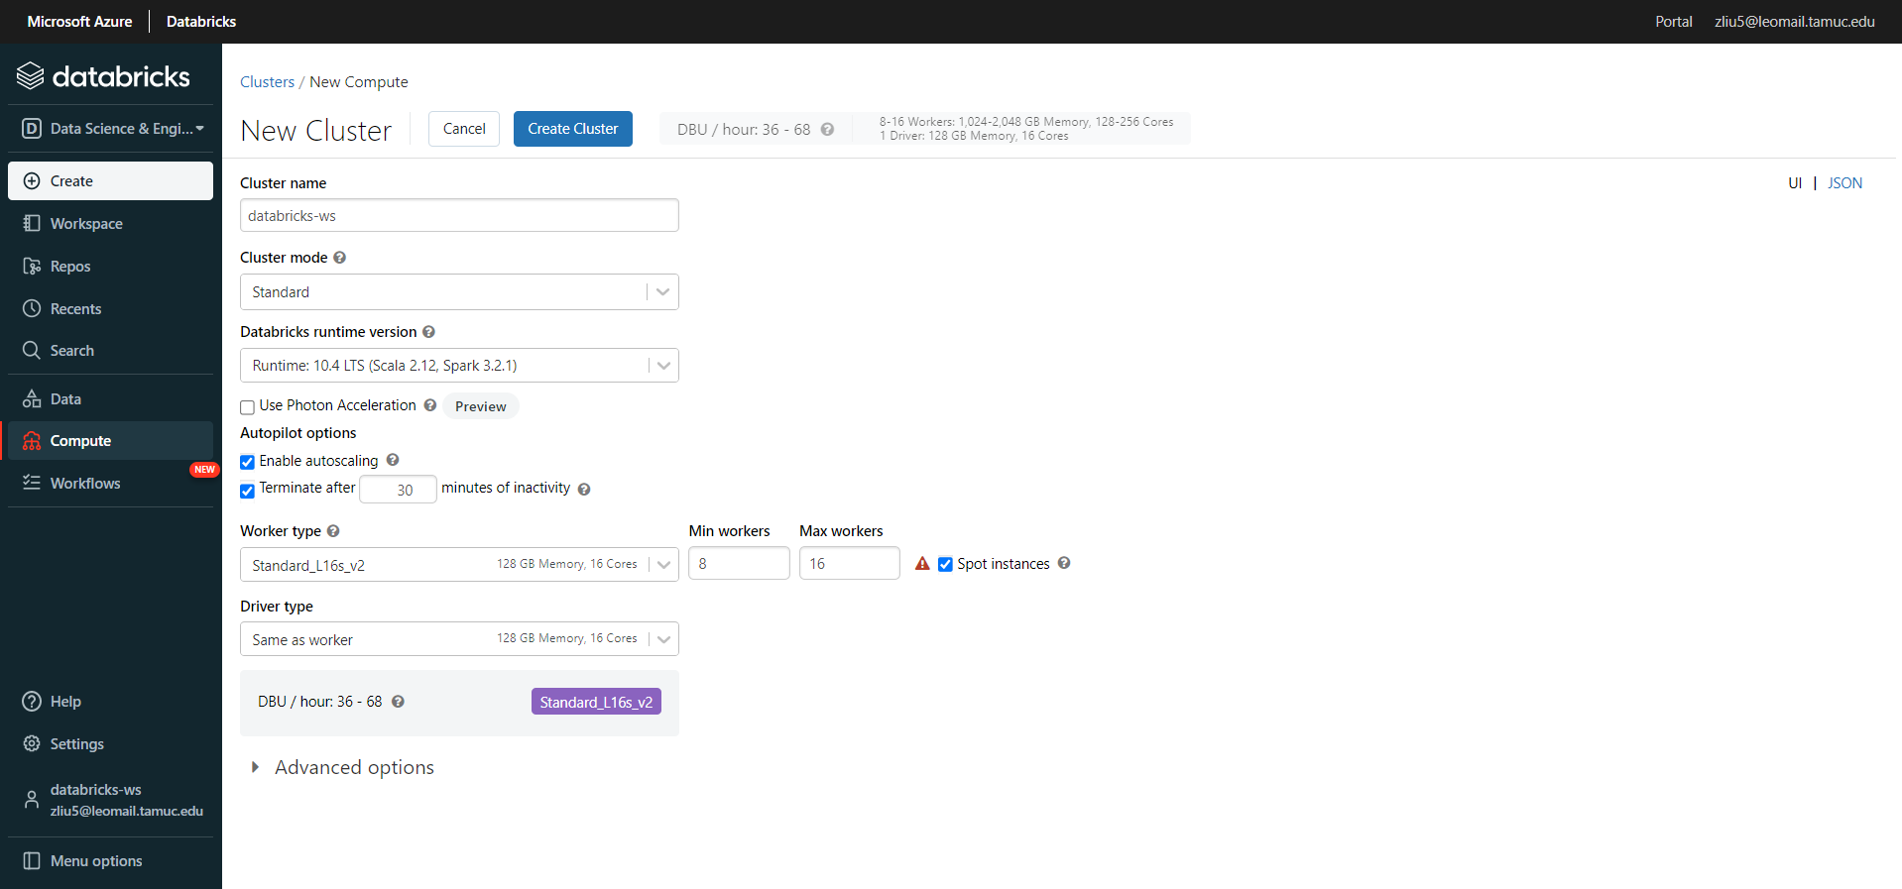
Prod Env Databricks DBU Estimation
Cluster Mode | Standard
Databricks runtime version | 10.4 LTS (Scala 2.12, Spark 3.2.1)
Worker Type | Storage Optimzied, Standard L16s_v2 128 GB Memory, 16 Cores
Min Workers | 8
Max Workers | 16
Driver Type | Same as worker, Standard L16s_v2 128 GB Memory, 16 Cores
DBU / hour | 36 - 68

